Scoresheet
CBSE NORTH ZONE I FOOTBALL CHAMPIONSHIP 2013 (17th Oct till 21st Oct 2013) Match No 14: Modern School, Vasant Vihar Vs Guru Harkrishan Public School, Vasant Vihar

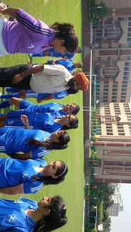 Aishwarya and Gehnaof Modern School, Vasant Vihar scored two goals each in the 8th, 11th, 19th and 23rd minutes respectively to register an easy win over RGuru Harkrishan Public School, Vasant Vihar. |  |  |  |  | 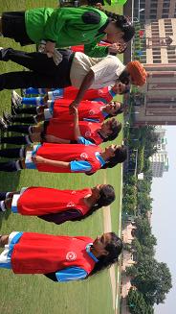
Teams of Modern School, VV and Guru Harkrishn Public School, VV
SL. No. | MODERN SCHOOL, VASANT VIHAR |  |  | VS | SL. No. | GURU HARKRISHAN PUBLIC SCHOOL, VASANT VIHAR
 | Players Name | Time | Goal |  |  | Players Name | Time | Goal
1 | DIVYA MEHRA |  |  |  | 1 | INIKADEEP KAUR MINHAS
2 | GEHNA RAI NANDWANI | 19', 23' | 2 |  | 2 | SIMRAN VIRGOTRA
3 | AMMIYA CHUGH |  |  |  | 3 | AMRIT KAUR
4 | KASVI MEHTA |  |  |  | 4 | AKANSHA DABAS
5 | MARJEENA UDAYAN |  |  |  | 5 | RIYA SUNDRIYAL
6 | SARA SAWHNEY |  |  |  | 6 | PRATISTHA NAGAR
7 | SAVI MEHTA |  |  |  | 7 | SHRADDHA
8 | ANANYA CHUG |  |  |  | 8 | GINIT PAL KAUR BAL
9 | MAARZI TATER |  |  |  | 9 | JASLEEN ARORA
10 | ASHMEET PUNHANI |  |  |  | 10 | NOYONIKA
11 | GUNEET SURI |  |  |  | 11 | MANPREET KAUR
12 | SHREYA JOSH |  |  |  | 12 | YOGITA SHARMA
13 | GULMEHER JUNEJA |  |  |  | 13 | AMBIKA DOGRA
14 | DHWANI JAISINGH |  |  |  | 14 | RAMANJEET KAUR
15 | PALLAVI DEVASAR |  |  |  | 15 | PREETI SHARMA
16 | CHAHAT BHATIA |  |  |  | 16 | SNEHA DUSEJA
17 | AISHWARYA SUBRAMANIAN | 8', 11' | 2 |  | 17 | JASMINE KAUR
18 | ASHNA NAIN |  |  |  | 18 | ISHPREET KAUR
TOTAL SCORE |  |  | 4 |  | TOTAL SCORE |  |  | 0
FOR RESULTS PLEASE VISIT www.spectrumsports.in

